4-2-4
NATIONAL AND BRUSSELS DARTS FEDERATION

Fax : 02/523.96.25 - nbdf@nbdf.org
GSM : 0477 724 596
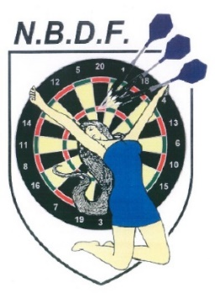
Div. |  | HOME : |  |  |  | AWAY : |  |  |  | DATE
 |  |  | SINGLES |  | 501 |  | SINGLES |  |  | 00-00-2019
FINISH | 180 | MANCHES | NOMS | PRENOMS | SCORES |  | NOMS | PRENOMS | MANCHES | 180 | FINISH
X | X |  |  |  |  |  |  |  |  | X | X
X | X |  |  |  |  |  |  |  |  | X | X
X | X |  |  |  |  |  |  |  |  | X | X
X | X |  |  |  |  |  |  |  |  | X | X

 |  |  | DOUBLES |  | 701 |  | DOUBLES
FINISH | 180 |  | NOMS | PRENOMS | SCORES |  | NOMS | PRENOMS |  | 180 | FINISH
X | X |  |  |  |  |  |  |  |  | X | X
X | X |  |  |  |  |  |  |  |  | X | X
X | X |  |  |  |  |  |  |  |  | X | X
X | X |  |  |  |  |  |  |  |  | X | X

 |  |  | SINGLES |  | 501 |  | SINGLES
FINISH | 180 | MANCHES | NOMS | PRENOMS | SCORES |  | NOMS | PRENOMS | MANCHES | 180 | FINISH
X | X |  |  |  |  |  |  |  |  | X | X
X | X |  |  |  |  |  |  |  |  | X | X
X | X |  |  |  |  |  |  |  |  | X | X
X | X |  |  |  |  |  |  |  |  | X | X
 |  |  |  | TOTAL | 0 | 0

 |  | HOME |  | REMARQUES & SIGNATURES |  |  |  |  | AWAY

 | RESERVES |  |  |  |  |  |  | RESERVES

